16.07.2026
Kép | Modell | Név | Szortiment | Stock | NK ár | Akciós NK ár | SRP
 | GPK6140000218 | GAP CHICAGO | 1-1-1-1-1-1-1-1 | 120 | 7,500 Ft | 6,750 Ft | 17,999 Ft
 | GPK6140150290 | GAP DETROIT | 1-1-1-1-1-1-1-1 | 208 | 7,500 Ft | 6,750 Ft | 17,999 Ft
 | GPK6140151854 | GAP DETROIT | 1-1-1-1-1-1-1-1 | 32 | 7,500 Ft | 6,750 Ft | 17,999 Ft
 | GPK6150050044 | GAP SACRAMENTO | 1-1-1-1-1-1-1-1 | 24 | 7,500 Ft | 6,750 Ft | 17,999 Ft
 | GPK6150100218 | GAP SAN FRANCISCO | 1-1-1-1-1-1-1-1 | 8 | 7,500 Ft | 6,750 Ft | 17,999 Ft
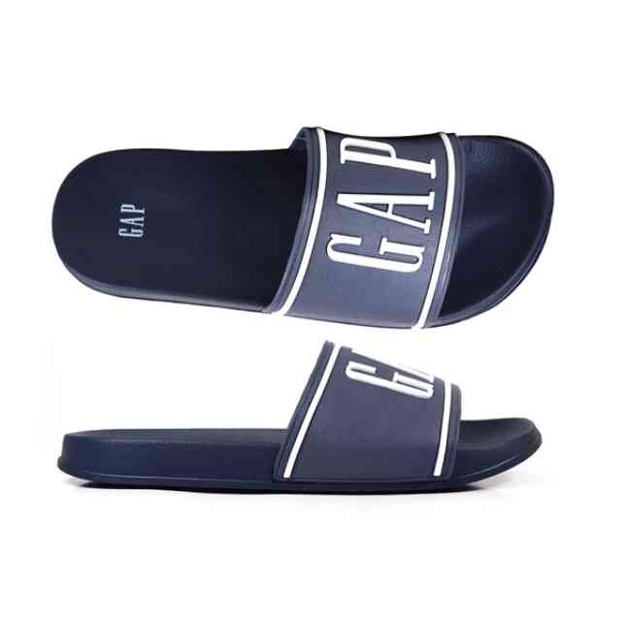 | GPM6119000195 | GAP AUSTIN | 1-2-2-2-1-1 | 168 | 4,583 Ft | 4,125 Ft | 10,999 Ft
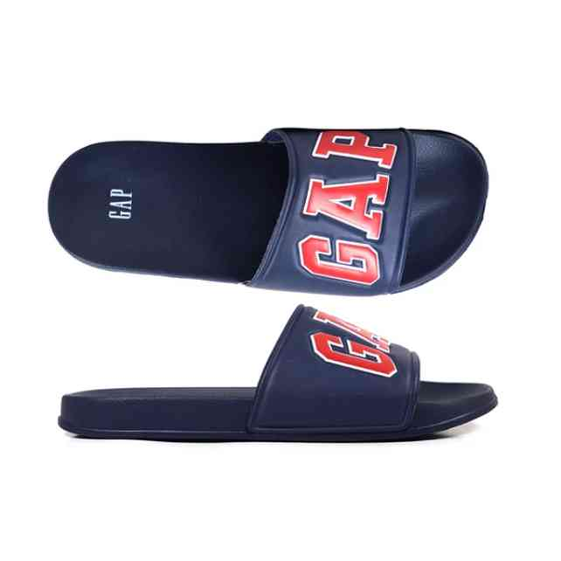 | GPM6119100290 | GAP MURPHY | 1-2-2-2-1-1 | 108 | 4,583 Ft | 4,125 Ft | 10,999 Ft
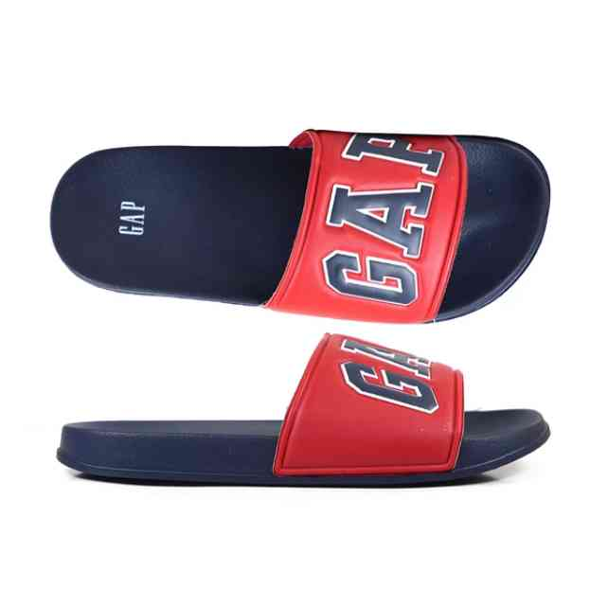 | GPM6119100896 | GAP MURPHY | 1-2-2-2-1-1 | 168 | 4,583 Ft | 4,125 Ft | 10,999 Ft
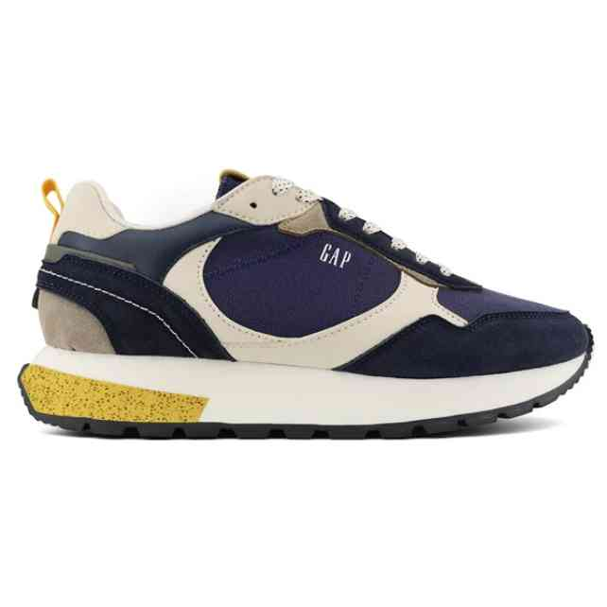 | GPM6131520040 | GAP GENESI G1 MX | 1-2-2-2-1-1 | 9 | 12,500 Ft | 11,250 Ft | 29,999 Ft
 | GPM6131523895 | GAP GENESI G1 CVS | 1-2-2-2-1-1 | 9 | 12,500 Ft | 11,250 Ft | 29,999 Ft
 | GPM6132260003 | GAP RUN SPIRIT BASIC | 1-2-2-2-1-1 | 9 | 10,833 Ft | 9,750 Ft | 25,999 Ft
 | GPM6132260040 | GAP RUN SPIRIT BASIC | 1-2-2-2-1-1 | 9 | 10,833 Ft | 9,750 Ft | 25,999 Ft
 | GPM6133050040 | GAP NASHVILLE ARCH L | 1-2-2-2-1-1 | 72 | 9,166 Ft | 8,249 Ft | 21,999 Ft
 | GPM6133050061 | GAP NASHVILLE ARCH L | 1-2-2-2-1-1 | 72 | 9,166 Ft | 8,249 Ft | 21,999 Ft
 | GPM6134520040 | GAP OSAKA | 1-2-2-2-1-1 | 18 | 10,833 Ft | 9,750 Ft | 25,999 Ft
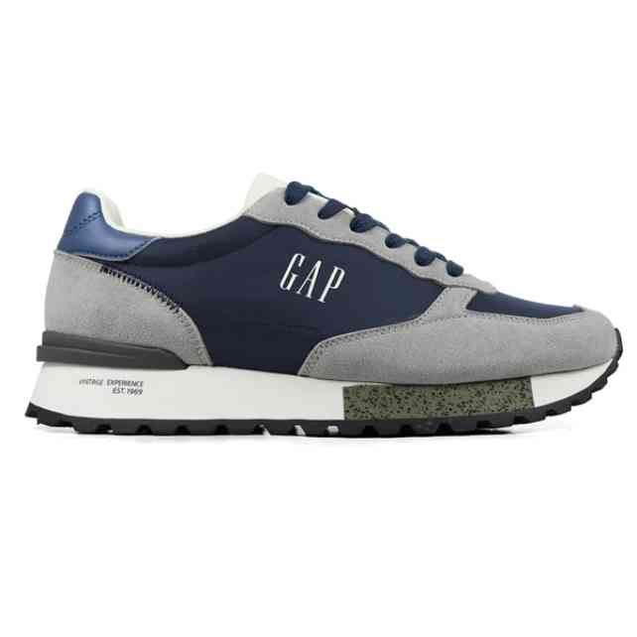 | GPM6134523902 | GAP OSAKA | 1-2-2-2-1-1 | 9 | 10,833 Ft | 9,750 Ft | 25,999 Ft
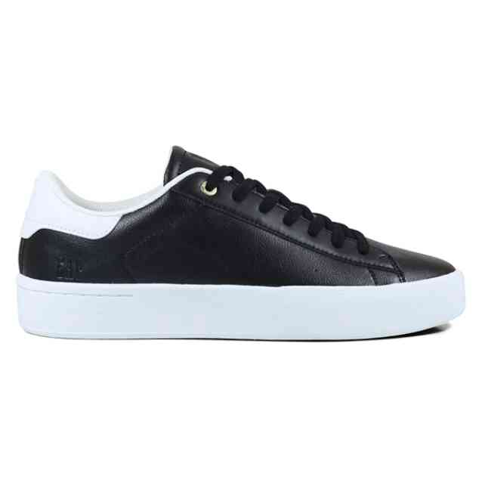 | GPM6142100003 | GAP SUN LTX | 1-2-2-2-1-1 | 9 | 10,833 Ft | 9,750 Ft | 25,999 Ft
 | GPM6142120352 | GAP SUN MX | 1-2-2-2-1-1 | 9 | 10,833 Ft | 9,750 Ft | 25,999 Ft
 | GPM6142120539 | GAP SUN MX | 1-2-2-2-1-1 | 9 | 10,833 Ft | 9,750 Ft | 25,999 Ft
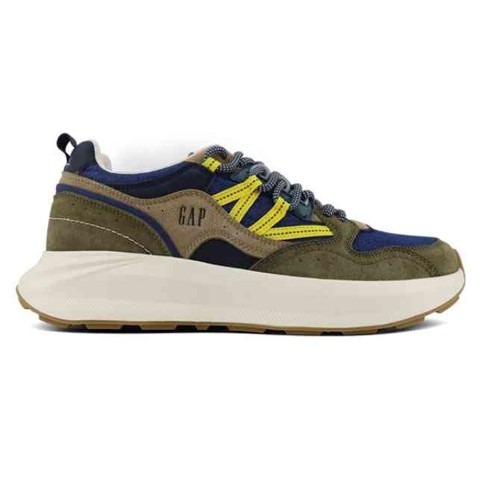 | GPM6151670926 | GAP EXPLORER | 1-2-2-2-1-1 | 18 | 12,500 Ft | 11,250 Ft | 29,999 Ft
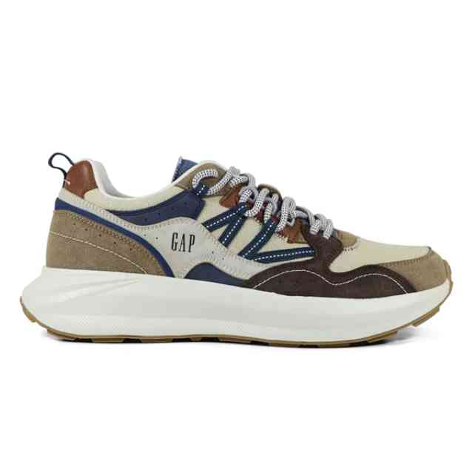 | GPM6151673895 | GAP EXPLORER | 1-2-2-2-1-1 | 18 | 12,500 Ft | 11,250 Ft | 29,999 Ft
 | GPM6153100040 | GAP METROPOLE+ | 1-2-2-2-1-1 | 9 | 12,500 Ft | 11,250 Ft | 29,999 Ft
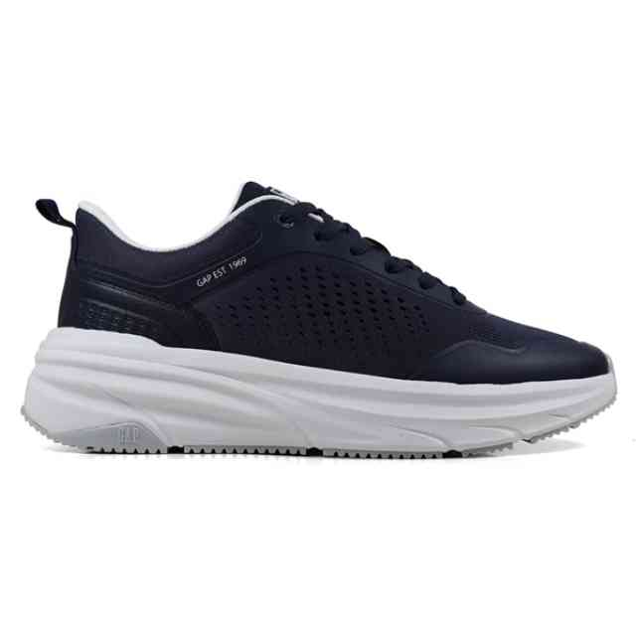 | GPM6153150040 | GAP WAVE | 1-2-2-2-1-1 | 9 | 12,500 Ft | 11,250 Ft | 29,999 Ft
 | GPM6153150061 | GAP WAVE | 1-2-2-2-1-1 | 27 | 12,500 Ft | 11,250 Ft | 29,999 Ft
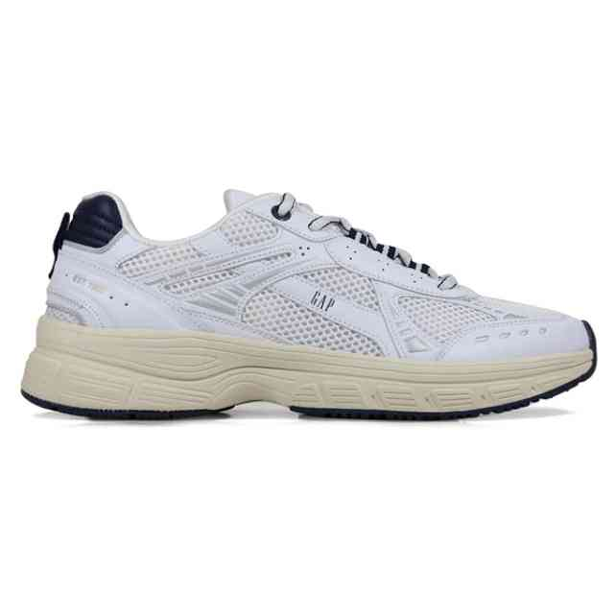 | GPM6156220063 | GAP SUNSET SPT | 1-2-2-2-1-1 | 9 | 12,500 Ft | 11,250 Ft | 29,999 Ft
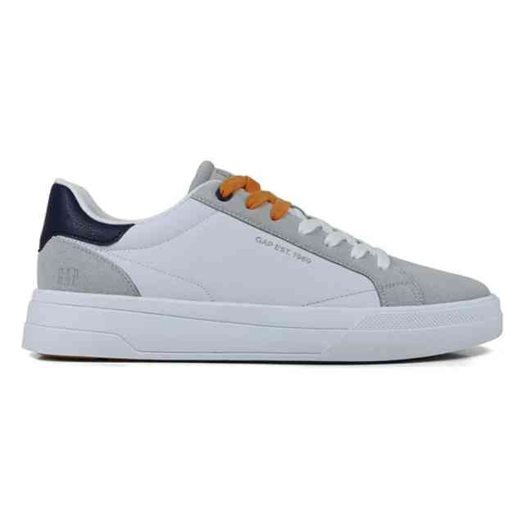 | GPM6161122899 | GAP MOON II MX | 1-2-2-2-1-1 | 9 | 10,833 Ft | 9,750 Ft | 25,999 Ft
 | GPM6164100003 | GAP PHOENIX | 1-2-2-2-1-1 | 9 | 10,833 Ft | 9,750 Ft | 25,999 Ft
 | GPM6164100061 | GAP PHOENIX | 1-2-2-2-1-1 | 9 | 10,833 Ft | 9,750 Ft | 25,999 Ft
 | GPM6164100241 | GAP PHOENIX | 1-2-2-2-1-1 | 9 | 10,833 Ft | 9,750 Ft | 25,999 Ft
 | GPM6164150030 | GAP NIAGARA | 1-2-2-2-1-1 | 9 | 10,833 Ft | 9,750 Ft | 25,999 Ft
 | GPM6164150040 | GAP NIAGARA | 1-2-2-2-1-1 | 9 | 10,833 Ft | 9,750 Ft | 25,999 Ft
 | GPM6165100040 | GAP COLUMBUS | 1-2-2-2-1-1 | 9 | 10,833 Ft | 9,750 Ft | 25,999 Ft
 | GPM6165100122 | GAP COLUMBUS | 1-2-2-2-1-1 | 9 | 10,833 Ft | 9,750 Ft | 25,999 Ft
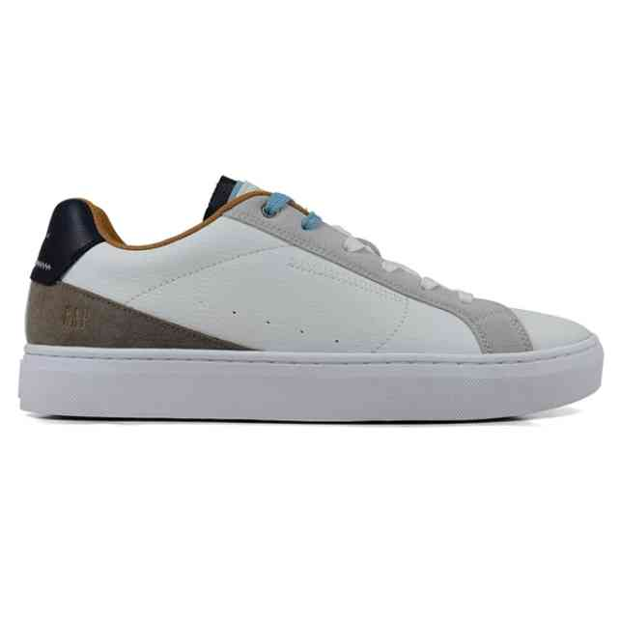 | GPM6165123899 | GAP COLUMBUS MX | 1-2-2-2-1-1 | 9 | 10,833 Ft | 9,750 Ft | 25,999 Ft
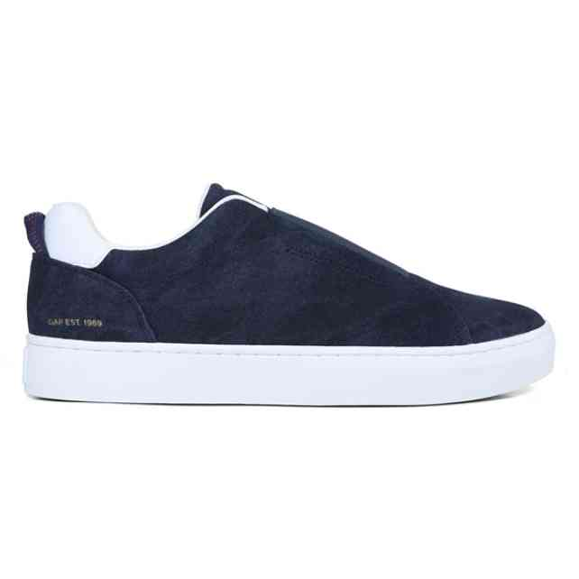 | GPM6165170040 | GAP GIANT SDX | 1-2-2-2-1-1 | 9 | 10,833 Ft | 9,750 Ft | 25,999 Ft
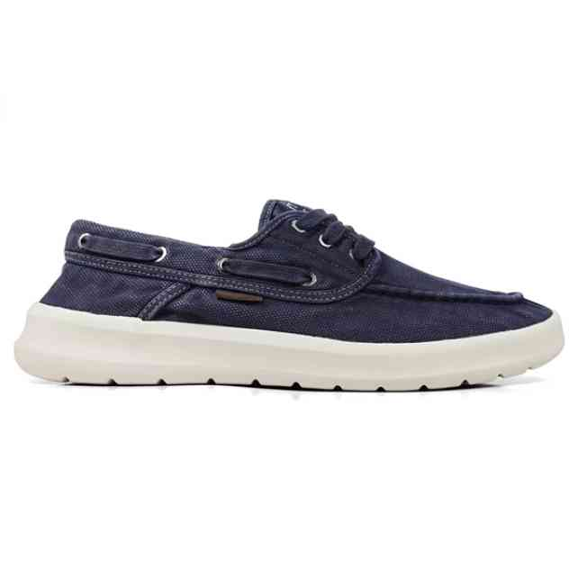 | GPM6168250040 | GAP CLEVELAND | 1-2-2-2-1-1 | 9 | 9,166 Ft | 8,249 Ft | 21,999 Ft
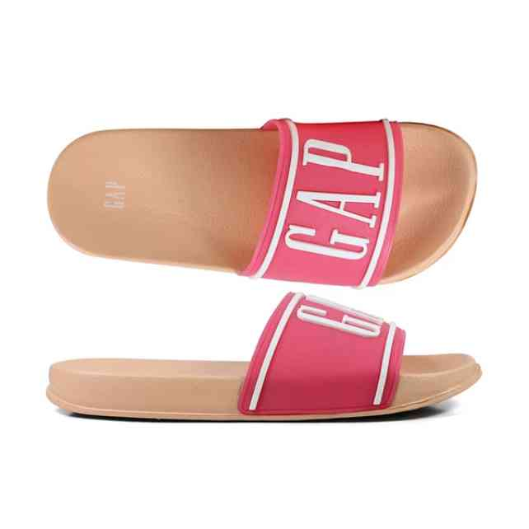 | GPW6119003880 | GAP AUSTIN | 1-2-2-2-1-1 | 36 | 4,583 Ft | 4,125 Ft | 10,999 Ft
 | GPW6131050049 | GAP NASHVILLE ARCH L | 1-2-2-2-1-1 | 9 | 9,166 Ft | 8,249 Ft | 21,999 Ft
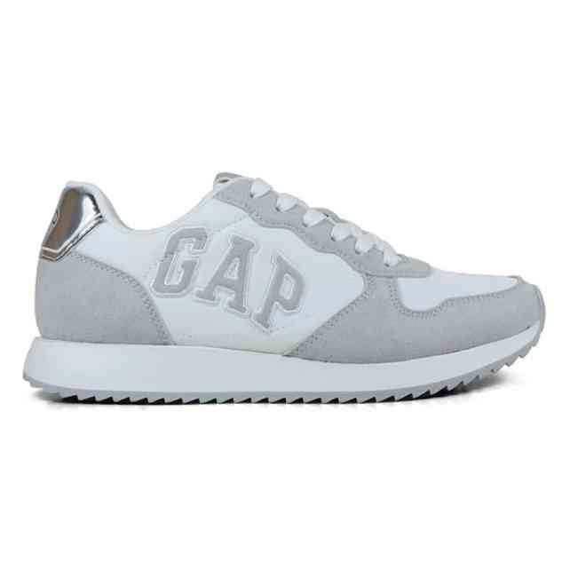 | GPW6131050061 | GAP NASHVILLE ARCH L | 1-2-2-2-1-1 | 9 | 9,166 Ft | 8,249 Ft | 21,999 Ft
 | GPW6134520308 | GAP OSAKA | 1-2-2-2-1-1 | 18 | 10,833 Ft | 9,750 Ft | 25,999 Ft
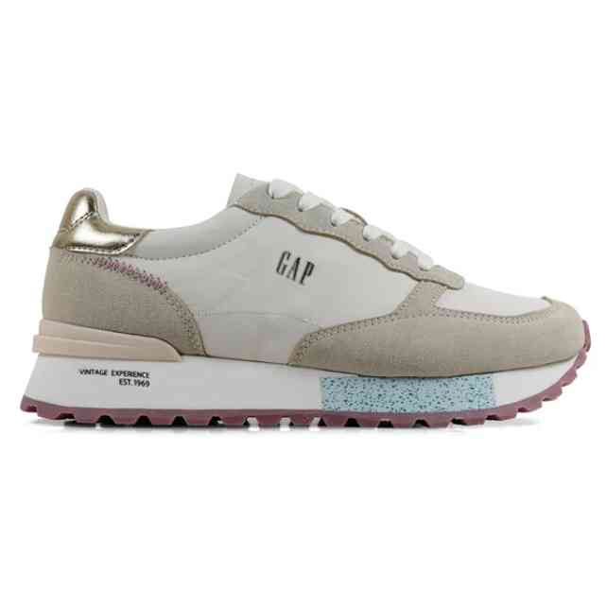 | GPW6134521620 | GAP OSAKA | 1-2-2-2-1-1 | 9 | 10,833 Ft | 9,750 Ft | 25,999 Ft
 | GPW6135280049 | GAP WONDER SPIRIT S | 1-2-2-2-1-1 | 18 | 10,833 Ft | 9,750 Ft | 25,999 Ft
 | GPW6135290003 | GAP WONDER SPIRIT CI | 1-2-2-2-1-1 | 9 | 10,833 Ft | 9,750 Ft | 25,999 Ft
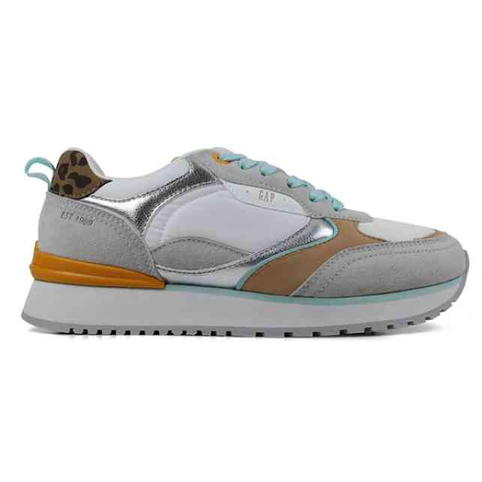 | GPW6135290061 | GAP WONDER SPIRIT CI | 1-2-2-2-1-1 | 18 | 10,833 Ft | 9,750 Ft | 25,999 Ft
 | GPW6135300006 | GAP CONCORD | 1-2-2-2-1-1 | 9 | 10,833 Ft | 9,750 Ft | 25,999 Ft
 | GPW6135300049 | GAP CONCORD | 1-2-2-2-1-1 | 9 | 10,833 Ft | 9,750 Ft | 25,999 Ft
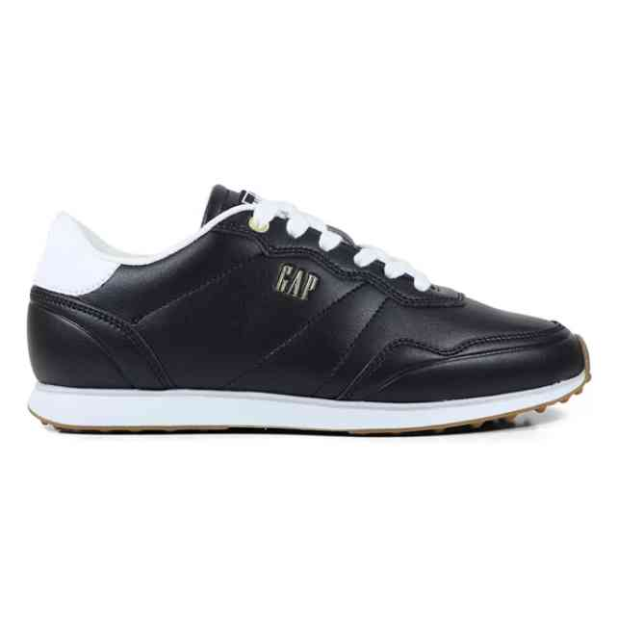 | GPW6136100003 | GAP KALAOA LTX OP | 1-2-2-2-1-1 | 9 | 10,833 Ft | 9,750 Ft | 25,999 Ft
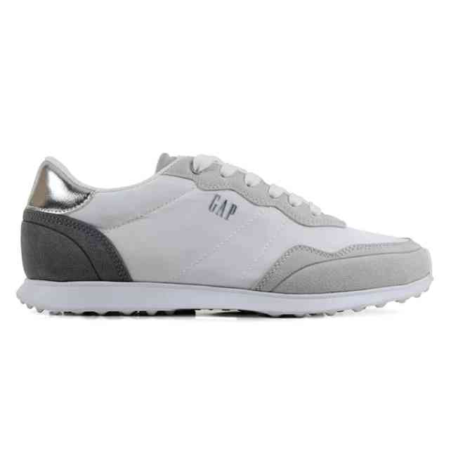 | GPW6136120061 | GAP OPTIMA NYX | 1-2-2-2-1-1 | 9 | 10,833 Ft | 9,750 Ft | 25,999 Ft
 | GPW6142100081 | GAP SUN LTX | 1-2-2-2-1-1 | 9 | 10,833 Ft | 9,750 Ft | 25,999 Ft
 | GPW6142102954 | GAP SUN LTX | 1-2-2-2-1-1 | 9 | 10,833 Ft | 9,750 Ft | 25,999 Ft
 | GPW6142300070 | GAP BOUDLER | 1-2-2-2-1-1 | 18 | 10,833 Ft | 9,750 Ft | 25,999 Ft
 | GPW6154920003 | GAP MARATHON | 1-2-2-2-1-1 | 8 | 12,500 Ft | 11,250 Ft | 29,999 Ft
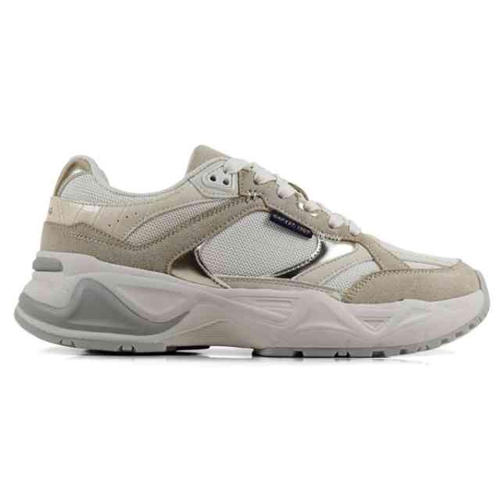 | GPW6154923895 | GAP MARATHON | 1-2-2-2-1-1 | 18 | 12,500 Ft | 11,250 Ft | 29,999 Ft
 | GPW6155300049 | GAP PENELOPE | 1-2-2-2-1-1 | 9 | 12,500 Ft | 11,250 Ft | 29,999 Ft
 | GPW6155300061 | GAP PENELOPE | 1-2-2-2-1-1 | 8 | 12,500 Ft | 11,250 Ft | 29,999 Ft
 | GPW6166302954 | GAP WACO | 1-2-2-2-1-1 | 9 | 10,833 Ft | 9,750 Ft | 25,999 Ft

